ModuleTestReview_Checklists
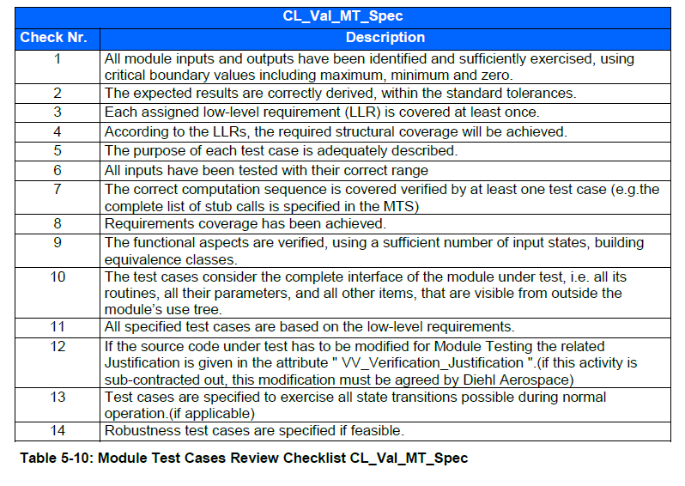
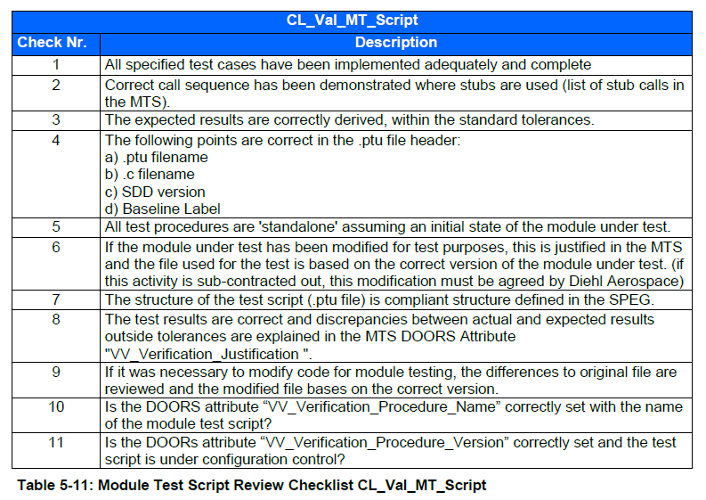
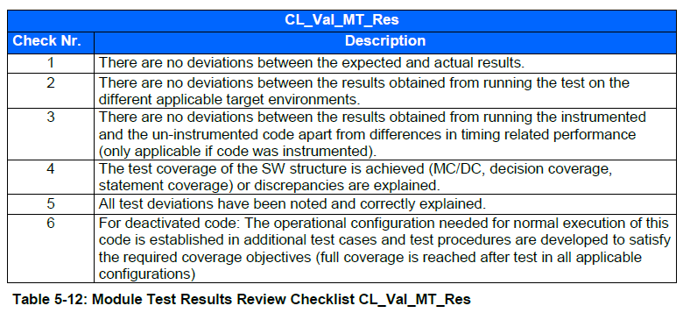

Applicable documents: SPEG PD1000008312 issue 12 | Applicable documents: SPEG PD1000008312 issue 12 | Applicable documents: SPEG PD1000008312 issue 12

